High Level Data
 | 0
PTHV Monthly Totals |  |  |  |  |  |  | PTHV Monthly Cumulative |  |  |  |  |  |  | Network Progress Toward Goal |  | *Does not include individual summer visits or charter partners
 | SY 14-15 | SY 15-16 | SY 16-17 | SY 17-18 | SY 18-19 | Difference from SY 17-18 to SY 18-19 |  | SY 14-15 | SY 15-16 | SY16-17 | SY17-18 | SY 18-19 | Difference from SY 17-18 to SY 18-19 |  |  | Network goal SY 18-19 | Running Totals for SY 18-19 | % Progress Towards Goal
June |  |  | 221 | 13 | 0 | -13.00 | June |  |  | 221 | 13 | 0 | -13 |  | ES1 | 2209 | 730 | 33.05%
July | 27 | 117 | 187 | 573 | 454 | -119.00 | July | 27 | 117 | 408 | 586 | 454 | -132 |  | ES 2 | 3288 | 1418 | 43.13%
August | 501 | 1025 | 1619 | 1273 | 926 | -347.00 | August | 528 | 1142 | 2027 | 1859 | 1380 | -479 |  | ES 3 | 1482 | 669 | 45.14%
September | 996 | 1500 | 1843 | 2631 | 1831 | -800.00 | September | 1524 | 2642 | 3870 | 4490 | 3211 | -1279 |  | ES 4 | 1791 | 658 | 36.74%
October | 976 | 1074 | 1304 | 1556 | 1095 | -461.00 | October | 2500 | 3716 | 5174 | 6046 | 4306 | -1740 |  | ES 5 | 870 | 392 | 45.06%
November | 596 | 781 | 1103 | 828 | 711 | -117.00 | November | 3096 | 4497 | 6277 | 6874 | 5017 | -1857 |  | ES 6 | 1355 | 536 | 39.56%
December | 491 | 441 | 467 | 625 | 468 | -157.00 | December | 3587 | 4938 | 6744 | 7499 | 5485 | -2014 |  | ES 7 | 765 | 442 | 57.78%
 |  |  |  | 541 |  |  |  |  |  |  |  |  | 0 |  | HS | 795 | 305 | 38.36%
January | 397 | 649 | 420 | 541 |  | -541.00 | January | 3984 | 5587 | 7164 | 8040 |  | -8040 |  | HSP | 605 | 43 | 7.11%
February | 502 | 866 | 787 | 780 |  | -780.00 | February | 4486 | 6453 | 7951 | 8820 |  | -8820 |  | MS | 470 | 39 | 8.30%
March | 564 | 1716 | 1512 | 1011 |  | -1,011.00 | March | 5050 | 8169 | 9463 | 9831 |  | -9831 |  | CHA | 246 | 7 | 2.85%
April | 697 | 775 | 729 | 676 |  | -676.00 | April | 5747 | 8944 | 10192 | 10507 |  | -10507 |  | LLN | 105 | 31 | 29.52%
May | 432 | 409 | 504 | 581 |  | -581.00 | May | 6179 | 9353 | 10696 | 11088 |  | -11088 |  | IMO | 85 | 1 | 1.18%
June | 6 | 16 | 18 | 239 |  | -239.00 | June | 6185 | 9369 | 11026 | 11327 |  | -11327 |  | ECHS | 680 | 46 | 6.76%
 |  |  |  |  |  |  |  |  |  |  |  |  |  |  | 2018-06-12 | 595 | 165 | 27.73%
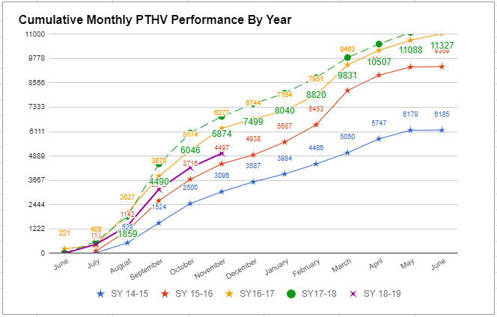
 |  |  |  |  |  |  |  |  |  |  |  |  |  |  | NDIZ | 130 | 2 | 1.54%
 |  |  |  |  |  |  |  |  |  |  |  |  |  |  | TOTALS | 15471 | 5484 | 35.45%
 | 6185 | 9369 | 10493 | 11327 | 5485 | -5,842.00
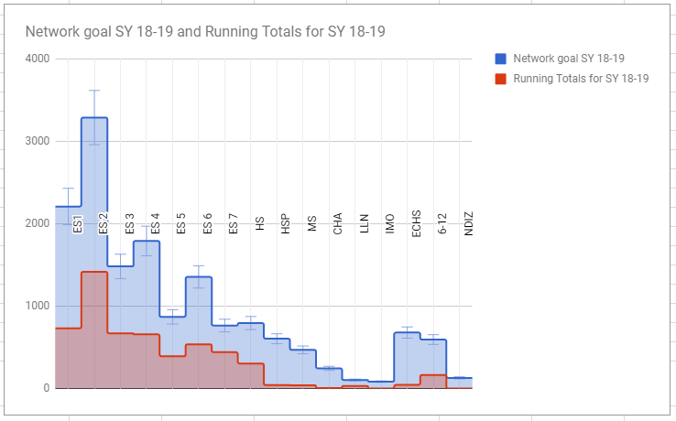
 |  |  |  | Goal | 12,000 | -1,673.00
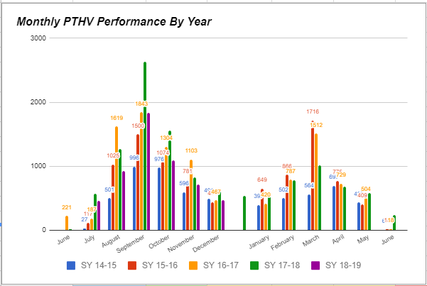

 | Exceeded Goal (more than 100%) | Within Range of Goal (btwn 90 - 99%) | Approaching Goal (btwn 70 - 89%) |  |  | Not Approaching Goal (less than 70%)
Percent of Schools | 34% | 4% | 35% |  |  | 27%

Number of Schools | 26 | 3 | 27 |  |  | 21

